AR Header Error(Tech)
S.No | ERROR_MESSAGE

1 | *****XXGFAAU_CHK_B07_00016denomination get error: Error due to Missing Customer Site in GAIA

 | Error Occurs when executing below query:

 | SELECT HCAS.ATTRIBUTE19 --¿¿ INTO wk_attribute19 FROM HZ_PARTY_SITES HPS -- ¿¿¿¿¿ , HZ_CUST_ACCT_SITES_ALL HCAS -- ¿¿¿¿¿¿¿ , HZ_CUST_SITE_USES_ALL HCSU -- ¿¿¿¿¿¿¿ WHERE HPS.PARTY_SITE_ID = HCAS.PARTY_SITE_ID AND HCAS.CUST_ACCT_SITE_ID = HCSU.CUST_ACCT_SITE_ID AND HPS.STATUS = XXCMN_S_CMND_CODE.CONS_ACTIVE AND HCAS.STATUS = XXCMN_S_CMND_CODE.CONS_ACTIVE AND HCSU.STATUS = XXCMN_S_CMND_CODE.CONS_ACTIVE AND HCAS.ATTRIBUTE_CATEGORY = XXCMN_S_CMND_CODE.CONS_AR_ADDR_INFO_CATEGORY AND HCSU.SITE_USE_CODE = XXCMN_S_CMND_CODE.CONS_ORIG_SYS_BILL AND HCAS.ORG_ID = in_org_id AND HCSU.ORG_ID = in_org_id AND HCSU.LOCATION = in_customer_site_code --Ver1.18 ADD START #2452 AND TRUNC(SYSDATE) BETWEEN TRUNC(NVL(HPS.START_DATE_ACTIVE,SYSDATE)) AND TRUNC(NVL(HPS.END_DATE_ACTIVE,SYSDATE)) --Ver1.18 ADD END #2452 ;

 | IF No Data is Found or Fetchd Value is NULL, we get the Error

2 | *****XXGFAAU_CHK_A28_00401DFF_SEGMENT_01 value is null

 | As per Mapping Document The Value is set to NULL , Please let us know if other value needs to be populated

3 | *****XXGFAAU_CHK_B14_00001trx_date > accounting_date

 | This Error is reported for Invoices where TRX_DATE of the Invoice> GL Date of the Invoice.

4 | *****XXGFAAU_CHK_A18_00001customer_site_code¿error
 | : Error due to Missing Customer Setup
 | Error Is Reported when we check for the Existence of Customer Site in GAIA

 | Error Occurs when the below query fetches a COUNT = 0

 | SELECT COUNT(*)
 | INTO wk_cust_cnt
 | FROM hz_parties hp
 | ,hz_cust_accounts hca
 | ,hz_party_sites hps
 | ,hz_cust_acct_sites_all hcas
 | ,hz_cust_site_uses_all hcsu
 | WHERE hp.party_id = hca.party_id
 | AND hp.party_id = hps.party_id
 | AND hps.party_site_id = hcas.party_site_id
 | AND hcas.cust_acct_site_id = hcsu.cust_acct_site_id
 | AND hp.status = cons_status_a
 | AND hca.status = cons_status_a
 | AND hps.status = cons_status_a
 | AND hcas.status = cons_status_a
 | AND hcsu.status = cons_status_a
 | AND hcsu.site_use_code = cons_bill_to
 | AND hcas.org_id = wk_org_id
 | AND hcsu.org_id = wk_org_id
 | AND hcsu.location = wk_customer_site_code
 | AND hca.account_number = wk_customer_code
 | AND rownum = 1;

5 | *****XXGFAAU_CHK_C32_00001amount error

 | This Error Is reported for Multiline Invocices where GAIA Program compares the sum of a header record against all the matching records in the line table
 | Issue was resolved by setting unique values in the column: interface_line_Attribute2 of the header and lines are now populated with customer_trx_line_id

6 | *****XXGFAAU_CHK_B07_05016REASON_CODE_MEANING is null (conditional check)

 | This Error is Reported for Credit Memo if the Retuen Reason Code for the CM lines is not populated. The code has been changed to populate this field with the value 'CANCELLATION' as per the setting Policy

7 | *****XXGFAAU_CHK_B17_00002salesrep error

 | The Error is reported in case the Maped value of the Primary Salesrep is either not Setup in GAIA or is INACTIVE or Conversion master is incorrectly setup

 | For the current data under consideration TIP Sales REP (No Sales Credit) , having a Mapped value(-3) has been END Dated in GAIA thus we get the above Error . The Error was resolved when the mapping was updated in the conversion master

 | BEGIN
 | SELECT rs.salesrep_id
 | INTO wk_salesrep_id
 | --# ¿¿¿¿¿¿¿¿¿¿¿¿¿¿¿ Mod START 2011/10/07 1.1 SCSK ¿
 | FROM jtf_rs_salesreps rs
 | #NAME?
 | --# ¿¿¿¿¿¿¿¿¿¿¿¿¿¿¿ Mod START 2011/10/07 1.1 SCSK ¿
 | WHERE rs.salesrep_number = in_salesrep
 | AND rs.org_id = wk_org_id
 | AND TRUNC(NVL(rs.start_date_active, wk_standard_date)) <= wk_standard_date
 | AND TRUNC(NVL(rs.end_date_active , wk_standard_date)) >= wk_standard_date
 | ;
 | EXCEPTION
 | WHEN NO_DATA_FOUND THEN
 | out_return_code := 'XXGFAAU_CHK_B17_00002';
 | RETURN;
 | END;

8 | *****XXGFAAU_CHK_B61_00001country code get error

 | GAIA Error check Program fetches the country code o the basis of the customer acount number and customer site(location) but currently since the mapping of our customer nnumbers and locations is not found in GAIA the query does not return any data. Thus we get the Error

 | Please find the query below

 | SELECT hl.country
 | INTO wk_country
 | FROM hz_locations hl ,
 | hz_cust_accounts hca ,
 | hz_party_sites hps ,
 | hz_cust_acct_sites_all hcasa ,
 | hz_cust_site_uses_all hcsua
 | WHERE hcsua.location = wk_customer_site_code AND
 | hcsua.org_id = wk_org_id AND
 | hcsua.site_use_code = 'BILL_TO' AND
 | hcsua.status = 'A' AND
 | hcasa.cust_acct_site_id = hcsua.cust_acct_site_id AND
 | hps.party_site_id = hcasa.party_site_id AND
 | hca.account_number = wk_customer_code AND
 | hps.party_id = hca.party_id AND
 | hl.location_id = hps.location_id ;

9 | *****XXGFAAU_CHK_B07_00017inter company code get error

 | GAIA Error Check Program tries to fetch the Customer Account Number on the basis of the Customer Site Code , But Currently since the mapping in LTI is not in sysn with GAIA we get this error. Once the Mapping is updated we will need to check if this error is reported.

 | Please See Query Below

 | SELECT DISTINCT ca.account_number
 | INTO wk_intercompany_code
 | FROM hz_parties par,
 | hz_cust_accounts ca,
 | hz_party_sites ps,
 | hz_cust_acct_sites_all cas,
 | hz_cust_site_uses_all csu
 | WHERE par.party_id = ca.party_id
 | AND par.party_id = ps.party_id
 | AND ps.party_site_id = cas.party_site_id
 | AND ca.cust_account_id = cas.cust_account_id
 | AND cas.cust_acct_site_id = csu.cust_acct_site_id
 | AND csu.LOCATION = in_customer_site_code(Mapped Customer Site)
 | AND csu.org_id = NVL (in_org_id, csu.org_id)
 | AND cas.org_id = NVL (in_org_id, cas.org_id)
 | AND par.status = 'A'--xxcmn_s_cmnd_code.cons_active
 | AND ca.status = 'A'--xxcmn_s_cmnd_code.cons_active
 | AND ps.status = 'A'-- xxcmn_s_cmnd_code.cons_active
 | AND cas.status = 'A'--xxcmn_s_cmnd_code.cons_active
 | AND csu.site_use_code =
 | xxcmn_s_cmnd_code.cons_orig_sys_bill
 | -- 'BILL_TO'
 | AND csu.status = 'A'--xxcmn_s_cmnd_code.cons_active
 | AND TRUNC (SYSDATE)
 | BETWEEN TRUNC (NVL (ps.start_date_active,
 | xxcmn_s_cmnd_code.cons_min_date
 | )
 | )
 | AND TRUNC (NVL (ps.end_date_active,
 | xxcmn_s_cmnd_code.cons_max_date
 | )
 | )

 | If the SQL Query Does not return Data we get the Error

9 | *****XXGFAAU_CHK_A19_00001customer_code error

 | The Above Error is reported when the below query does not fetch any Data:

 | SELECT hca.cust_account_id
 | INTO wk_account_id
 | FROM hz_cust_accounts hca
 | WHERE hca.account_number = in_customer_code AND
 | hca.status = cons_status_a;

 | in_customer_code => orig_system_bill_customer_name ( Mapped Value of the Customer Number)

10 | *******XXGFAAU_CHK_A23_00005conversion_rate not found

 | This Error Is Reported when the Conversion Rate for the Specified Conversion DATA is Not Mainatained in GAIA.

 | Currently No JPY to USD is there for 30-Apr-2012
 | Currently No PHP to USD is there for 30-Sep-2011

 | The Error should not Occur now since as per the New Setting policy the Conversion Rate is fetched in TIP Instance and sent to GAIA

11 | *****XXGFAAU_CHK_A13_00004period status error

 | This Error is Reported if the gl_date of the transaction falls in a closed period in GAIA. If we check the GAIA Data base we see that GL Period is closed for all the Periods for PHP Set of Books, thus this error is reported. In Order for the transactions to be validated the GAIA Gl Period needs to be in Open status. Please find below the Code used to fetch this information.

 | Error Details
 | GAIA Code Snippet
 | BEGIN
 | SELECT period_name ,
 | closing_status
 | INTO wk_period_name ,
 | wk_closing_status
 | FROM gl_period_statuses
 | WHERE application_id = wk_application_id(Application Id of AR Module) AND
 | TRUNC(NVL(start_date,wk_accounting_date)) <= wk_accounting_date(gl_date of te AR transaction) AND
 | TRUNC(NVL(end_date,wk_accounting_date)) >= wk_accounting_date(gl_date of te AR transaction) AND
 | adjustment_period_flag = 'N' AND
 | ledger_id = wk_ledger_id(PHP SOB Ledger Id) ;
 | EXCEPTION
 | WHEN NO_DATA_FOUND THEN
 | out_return_code := 'XXGFAAU_CHK_A13_00004';
 | RETURN;
 | END;

 | period_check_tab(wk_conc_parameters).period_name := wk_period_name;
 | period_check_tab(wk_conc_parameters).closing_status := wk_closing_status;
 | END IF;
 | --# ¿¿¿¿¿¿¿¿¿ Add END 2012/04/13 1.1 SCSK ¿
 | IF in_module_code IN ('AR','AP') THEN
 | IF wk_closing_status != 'O' THEN
 | out_return_code := 'XXGFAAU_CHK_A13_00004';
 | RETURN;
 | END IF;
 | END IF;

 | GAIA Database status

 | Fetch Application ID for AR Module

 | Fetch Ledger Details for PHP SOB Ledger

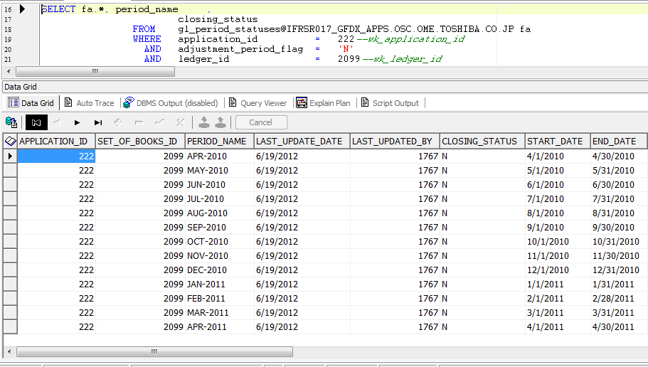

 | We see that the GL Period is closed for all the 2012 Periods of PHP Ledger. Hence the above Error is Reported.
 | Please check with the setup team on this

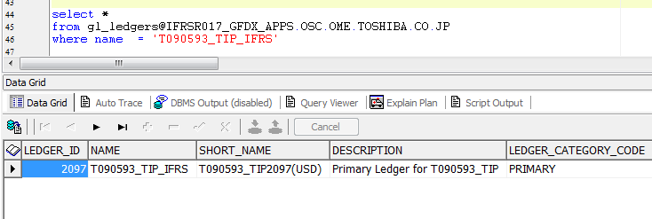

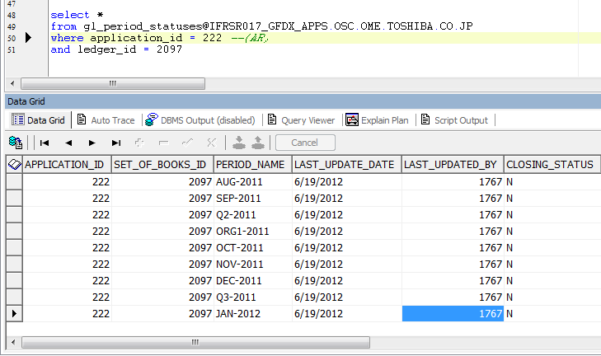

12 | *****XXGFAAU_CHK_B12_00001trx_source error
 | Conversion Master Mapped Value is not present in GAIA for the below Invoice Batches
 | BATCH_SOURCE_NAME
 | Manual-TIP Invoice
 | Credit Memo

 | BEGIN
 | SELECT rbsa.batch_source_id -- ¿¿¿¿¿ID
 | INTO wk_source_id
 | FROM ra_batch_sources_all rbsa -- ¿¿¿¿¿
 | WHERE rbsa.name = in_trx_source -- ¿¿¿¿¿¿
 | AND rbsa.org_id = wk_org_id -- ¿¿¿¿ID
 | AND rbsa.status = cons_status_a -- ¿¿¿¿¿¿¿
 | AND TRUNC(NVL(rbsa.start_date,wk_standard_date)) <= wk_standard_date -- ¿¿¿¿¿
 | AND TRUNC(NVL(rbsa.end_date,wk_standard_date)) >= wk_standard_date -- ¿¿¿¿¿
 | ;
 | EXCEPTION
 | --# ¿¿¿¿¿ Mod START 2011/10/11 1.1 CSK ¿
 | WHEN NO_DATA_FOUND THEN
 | #NAME?
 | --# ¿¿¿¿¿ Mod END 2011/10/1 1.1 CSK ¿
 | wk_errcode := cons_errcode_1; -- ¿¿¿¿¿¿¿
 | RAISE user_expt; -- ¿¿¿¿¿¿¿¿¿¿¿
 | END;

Analysis | If the Error is reported we need to chexk the below things 1. IS the conversion master correctly setup with the GAIA values and the mapping is enabled 2. The values are setup in GAIA and enabled/active

13 | *****XXGFAAU_CHK_B07_02002INTERFACE_LINE_ATTRIBUTE1 is null

 | This Error is Reported if the Field , INTERFACE_LINE_ATTRIBUTE1 is NULL . For the current data set we have updated the value of INTERFACE_LINE_ATTRIBUTE1 as per the setting policy and re-run the program. This error is not reported.

14 | *****XXGFAAU_CHK_B07_02003INTERFACE_LINE_ATTRIBUTE2 is null

 | This Error is Reported if the Field , INTERFACE_LINE_ATTRIBUTE2 is NULL . For the current data set we have updated the value of INTERFACE_LINE_ATTRIBUTE2 as per the setting policy and re-run the program. This error is not reported.

15 | *****XXGFAAU_CHK_A18_00001customer_site_code¿error

 | This Error Is reported when for TIP specific data the customer site is not maintained in GAIA Database.
 | We picked up the Mapped Customer code: 'T0680100000' and maped customer site : 'TOSHIBA CORPORATION' and checked in GAIA if a mapping is present and found that the Mapped Values are not Present in GAIA.

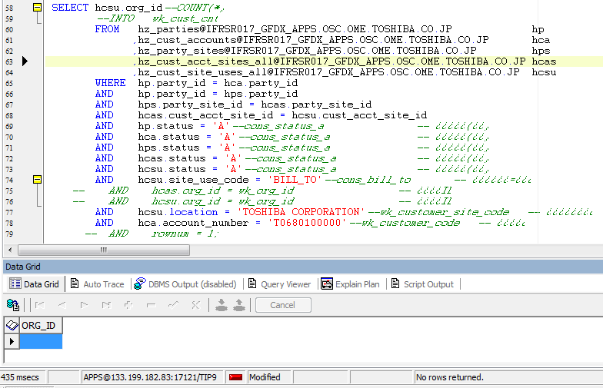

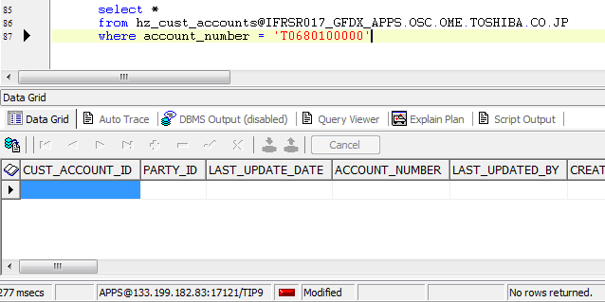

Analysis | We need to check if there is an incorrect Maping in Conversion Master or GAIA setup is Incomplete and take corrective action

15 | *****XXGFAAU_CHK_A19_00001customer_code error

 | Same Analysis as Erro# 14

16 | *****XXGFAAU_CHK_A23_00007conversion_rate is not null (conditional check)

 | We cannot find this error message in the GAIA objects shared with us.

 | A set of sample data with Invoice Numbers : "1204 DN#0008662" , "1204 DN#0008660", "1206 DN#0009040" was updated as per the Data Migration Mapping Document but we still face the same error

 | Please check this once with GAIA team and update us

17 | *****XXGFAAU_CHK_B07_00016denomination get error

 | GAIA Error Check Package : executes the below code which gives us this error

 | BEGIN
 | IF rec_a28_in.attribute1 IS NULL THEN
 | xxcmn_s_id_converter.get_denomination
 | ( in_customer_site_code => in_header_line_rec(idx_header_line_rec_pos).orig_system_bill_address_name ,
 | in_org_id => wk_org_id ,
 | inout_denomination_code => rec_a28_in.attribute1 ,
 | inout_receipt_method_name => wk_receipt_method_name );
 | END IF;
 | EXCEPTION
 | WHEN OTHERS THEN
 | rec_a28_in.attribute1 := NULL;

 | wk_error_col_num := '24';
 | wk_error_code := 'XXGFAAU_CHK_B07_00016';
 | out_error_rec(idx_error).transaction_number := wk_trx_number;
 | out_error_rec(idx_error).error_category := cons_error_category_h;
 | out_error_rec(idx_error).error_part := TO_CHAR(idx_header_line_rec_pos) || '-' || wk_error_col_num;
 | out_error_rec(idx_error).error_code := wk_error_code;
 | out_error_rec(idx_error).error_message := xxgfaau_add_cmn_chk_pkg.get_message(
 | in_error_code => wk_error_code
 | );
 | idx_error := idx_error + 1;
 | END;
 | --# A

 | The Procedure : xxcmn_s_id_converter.get_denomination executes the below query which des not return any rows thus leading to this error

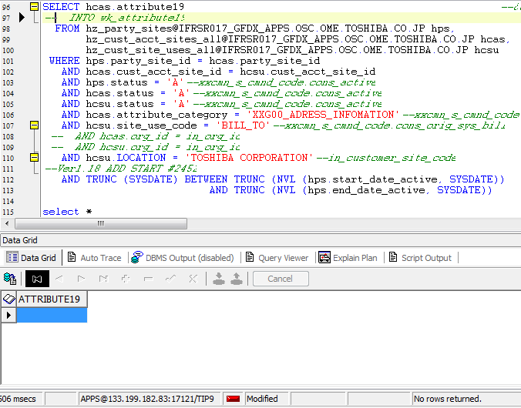

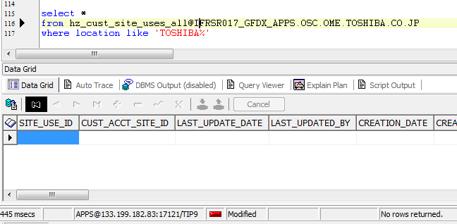

Analysis | Please check if this is an Issue due to Incorrect Mapping in Conversion Master or In-complete setup in GAIA

18 | *****XXGFAAU_CHK_B12_00001trx_source error
 | Conversion Master Mapping is not Present for the below Invoice Source, Please check if these need to be maintained as such when the Program checks for batch sources in GAIA we do not get any data resulting in the above Error
 | BATCH_SOURCE_NAME
 | TIP Invoice
 | Manual-TIP Invoice
 | Manual Invoice

Analysis | We need to update our conversion Master so that it is Complete and make sure the setup is also present in GAIA so that the issue is not reported in future

19 | *****XXGFAAU_CHK_C32_00001amount error

 | This Error Occurs because there are many records in header and line table value of interface_line_attribute 2 do not match , GAIA Error chack program checks this condition to compute the and match the distribution total to the lines total. Please find below the code.

 | FOR idx_j IN in_distribution_rec.FIRST .. in_distribution_rec.LAST LOOP
 | IF in_distribution_rec(idx_j).account_class IN ('REV','TAX') AND
 | in_distribution_rec(idx_j).interface_line_attribute1 = in_header_line_rec(idx_i).interface_line_attribute1 AND
 | in_distribution_rec(idx_j).interface_line_attribute2 = in_header_line_rec(idx_i).interface_line_attribute2 THEN
 | wk_amount := wk_amount + NVL(in_distribution_rec(idx_j).amount,0);
 | END IF;
 | END LOOP;

 | IF wk_amount != in_header_line_rec(idx_i).amount THEN
 | out_return_code := 'XXGFAAU_CHK_C32_00001';
 | RETURN;
 | END IF;

Analysis | The Error is resolvd by populating the cust_trx_line_id into the column interface_line_attribute2 rather than the fixed value '000'

 | select *
 | from xx00ifar_trx_hdr_Stg_all hdr,
 | xx00ifar_trx_line_Stg_all line
 | where 1=1--error_message like '%*****XXGFAAU_CHK_C32_00001amount error%'
 | and line.account_class IN ('REV','TAX')
 | and line.interface_line_attribute1 = hdr.interface_line_attribute1
 | and line.interface_line_attribute2 = hdr.interface_line_attribute2

20 | *****XXGFAAU_CHK_B61_00001country code get error

 | GAIA Error check Program fetches the country code o the basis of the customer acount number and customer site(location) but currently since the mapping of our customer nnumbers and locations is not found in GAIA the query does not return any data. Thus we get the Error
 | Please find the query below
 | SELECT hl.country
 | INTO wk_country
 | FROM hz_locations hl ,
 | hz_cust_accounts hca ,
 | hz_party_sites hps ,
 | hz_cust_acct_sites_all hcasa ,
 | hz_cust_site_uses_all hcsua
 | WHERE hcsua.location = wk_customer_site_code AND
 | hcsua.org_id = wk_org_id AND
 | hcsua.site_use_code = 'BILL_TO' AND
 | hcsua.status = 'A' AND
 | hcasa.cust_acct_site_id = hcsua.cust_acct_site_id AND
 | hps.party_site_id = hcasa.party_site_id AND
 | hca.account_number = wk_customer_code AND
 | hps.party_id = hca.party_id AND
 | hl.location_id = hps.location_id ;

Analysis | We need to complete the setup and make sure it is insync with GAIA

21 | *****XXGFAAU_CHK_B07_08030LINK_TO_LINE_ATTRIBUTE1 is not null (conditional check)

 | The value In the column of stagin table was not NULL, For the Current Data set the value was updated to NULL and Conversion Porgram was run , the error was not reported

Analysis | The code will be updated as per the final data mapping document thus future errors should not be reported

22 | *****XXGFAAU_CHK_B07_08031LINK_TO_LINE_ATTRIBUTE2 is not null (conditional check)

 | The value In the column of stagin table was not NULL, For the Current Data set the value was updated to NULL and Conversion Porgram was run , the error was not reported

Analysis | The code will be updated as per the final data mapping document thus future errors should not be reported

23 | *****XXGFAAU_CHK_B07_02033CONVERSION_TYPE is null

 | Populated the Currency Conversion type to 'Corporate' where Conversion Type was NULL and re-ran the Conversion and Error Check Program

 | The records did not Error Out

Analysis | As per the GAIA setting policy upper stream systems should set the conversion type to ='User' and send the conversion rate

24 | *****XXGFAAU_CHK_B07_05017QUANTITY is null (conditional check)

 | The Rows where no quantity was present have been updated as per the setting policy and the Conversion and Error check program was re-run

 | The Error was not reported

Analysis | The code will be updated once all the mappings are finalized , Currently the data set has been updated in the staging table

25 | *****XXGFAAU_CHK_B15_00002trx_type is not Credi Memo type

 | This Error is reported if the reson code meaning is NOT NULL and the Trnsaction type is not CM. GAIA expects that if the Reason Code Meaning is populated then the transaction type should be Credit Memo . If Not we get this error.

26 | *****XXGFAAU_CHK_B07_00001responsibility key get error

 | This Error is reported in case there some missing setup in GAIA. Because the GAIA error check porgram dynamically intializez the resposibility details from which the program is being run. In case there is an issue in fetching of the Responsibility Key in GAIA we get the above error

27 | *****XXGFAAU_CHK_B10_00002org_id get error

 | The Error is reported in case of incomplete setup in GAIA because of which the GAIA Error chck program is unable to fetch the Org Id for TIP in GAIA (139)

28 | *****XXGFAAU_CHK_B07_09002interface_line_attribute1 is different in a transaction

 | This Error is Reported in case transactions belonging to the same Invoice have different values in the column : interface_line_Attribute1

29 | *****XXGFAAU_CHK_B10_00001trx_type_name error

 | The Error is reported if the mapped value of the transacion type is not defined in GAIA system.

 | BEGIN
 | SELECT rctt.type -- ¿¿¿¿¿
 | INTO wk_type
 | FROM ra_cust_trx_types_all rctt -- ¿¿¿¿¿¿¿¿
 | WHERE rctt.name = in_trx_type_name -- ¿¿¿¿¿¿
 | AND rctt.org_id = wk_org_id -- ¿¿¿¿ID
 | AND rctt.default_status = cons_status_op -- ¿¿¿¿¿¿¿
 | AND TRUNC(NVL(rctt.start_date,wk_standard_date)) <= wk_standard_date -- ¿¿¿¿¿
 | AND TRUNC(NVL(rctt.end_date,wk_standard_date)) >= wk_standard_date -- ¿¿¿¿¿
 | ;
 | EXCEPTION
 | WHEN OTHERS THEN
 | wk_errcode := cons_errcode_1; -- ¿¿¿¿¿¿¿
 | RAISE user_expt; -- ¿¿¿¿¿¿¿¿¿¿¿
 | END;

Analysis | If this Error is reported we need to check the below things 1. The conversion master setup is correct as per GAIA and the values are active 2. GAIA system also has the corect maped values setup and they are active

30 | *****XXGFAAU_CHK_B07_03025orig_system_ship_customer_name is not null

 | IF in_header_line_rec(idx_header_line_rec_pos).orig_system_ship_customer_name IS NOT NULL THEN
 | wk_error_col_num := '25';
 | wk_error_col_name := '¿¿¿¿¿¿¿';
 | wk_error_code := cons_error_code_003 || LPAD(wk_error_col_num, 3, '0');
 | out_error_rec(idx_error).transaction_number := wk_trx_number;
 | out_error_rec(idx_error).error_category := cons_error_category_h;
 | out_error_rec(idx_error).error_part := TO_CHAR(idx_header_line_rec_pos) || '-' || wk_error_col_num;
 | out_error_rec(idx_error).error_code := wk_error_code;
 | out_error_rec(idx_error).error_message := xxgfaau_add_cmn_chk_pkg.get_message(
 | in_error_code => wk_error_code
 | );
 | idx_error := idx_error + 1;
 | END IF;

 | GAIA is Expecting this field to be NULL, Presently the code is populating Customer Number in this field, the code has been updated to populate NULL Values

31 | *****XXGFAAU_CHK_B07_03026orig_system_ship_address_name is not null

 | IF in_header_line_rec(idx_header_line_rec_pos).orig_system_ship_address_name IS NOT NULL THEN
 | wk_error_col_num := '26';
 | wk_error_col_name := '¿¿¿¿¿¿¿¿¿¿¿¿¿¿¿';
 | wk_error_code := cons_error_code_003 || LPAD(wk_error_col_num, 3, '0');
 | out_error_rec(idx_error).transaction_number := wk_trx_number;
 | out_error_rec(idx_error).error_category := cons_error_category_h;
 | out_error_rec(idx_error).error_part := TO_CHAR(idx_header_line_rec_pos) || '-' || wk_error_col_num;
 | out_error_rec(idx_error).error_code := wk_error_code;
 | out_error_rec(idx_error).error_message := xxgfaau_add_cmn_chk_pkg.get_message(
 | in_error_code => wk_error_code
 | );
 | idx_error := idx_error + 1;
 | END IF;

 | GAIA is Expecting this field to be NULL, Presently the code is populating Ship to Location in this field, the code has been updated to populate NULL Values

32 | *****XXGFAAU_CHK_B09_00006line_attribute is exist (xxar_if_lines_wk,xxcmn_if_lines_wk)

 | SELECT COUNT(*)
 | INTO cnt_ar_lines_wk
 | FROM xxar_if_lines_wk arwk,
 | xxcmn_if_info info
 | WHERE arwk.work_org_id = wk_org_id AND
 | arwk.interface_line_attribute1 = in_line_attribute1 AND
 | arwk.interface_line_attribute2 = in_line_attribute2 AND
 | arwk.finfo_seq_id = info.finfo_seq_id AND
 | --# ¿¿¿¿¿¿¿¿¿ Mod START 2011/12/20 1.2 SCSK ¿
 | info.connect_status NOT IN ('40','50','5D','80','90') AND
 | -- info.connect_status NOT IN ('40','50','80','90') AND
 | --# ¿¿¿¿¿¿¿¿¿ Mod END 2011/12/20 1.2 SCSK ¿
 | NVL(arwk.delete_flag,'N') != 'Y';

 | -- ¿¿¿¿¿¿¿¿¿(¿¿¿·¿¿·¿¿)¿¿¿¿
 | SELECT COUNT(*)
 | INTO cnt_cmn_lines_wk
 | FROM xxcmn_if_lines_wk jswk,
 | xxcmn_if_info info
 | WHERE jswk.work_org_id = wk_org_id AND
 | jswk.trx_number = in_line_attribute1 AND
 | in_line_attribute2 IN ('01','02','03') AND
 | jswk.module = 'AR' AND
 | jswk.finfo_seq_id = info.finfo_seq_id AND
 | --# ¿¿¿¿¿¿¿¿¿ Mod START 2011/12/20 1.2 SCSK ¿
 | info.connect_status NOT IN ('40','50','5D','80','90') AND
 | -- info.connect_status NOT IN ('40','50','80','90') AND
 | --# ¿¿¿¿¿¿¿¿¿ Mod END 2011/12/20 1.2 SCSK ¿
 | NVL(jswk.delete_flag,'N') != 'Y';

 | -- ¿¿¿¿¿¿¿¿¿
 | IF xxgfaau_add_cmn_chk_pkg.g_process_flag = '1' AND
 | cnt_ar_lines_wk + cnt_cmn_lines_wk >= 2 OR
 | ( xxgfaau_add_cmn_chk_pkg.g_process_flag = '2' OR
 | xxgfaau_add_cmn_chk_pkg.g_process_flag IS NULL ) AND
 | cnt_ar_lines_wk + cnt_cmn_lines_wk >= 1 THEN
 | wk_errcode := cons_errcode_10;
 | RAISE user_expt; -- ¿¿¿¿¿¿¿¿¿¿¿
 | END IF;

 | This Error Is reported when are running the conversion and Error check program on the same set og records which have been earlier sent to GAIA in a flat file and GAIA system has tried to upload them in GAIA

33 | *****XXGFAAU_CHK_A32_00001unit_of_measure error

 | This error is reported when the mapped value of the unit of measure field from the conversion master is not present in GAIA. Issue is either with the conversion master setup of missing setup in GAIA

 | BEGIN
 | SELECT NULL
 | INTO cnt_unit_of_measure
 | FROM mtl_units_of_measure_tl muom
 | WHERE muom.unit_of_measure = in_unit_of_measure
 | AND muom.language = USERENV('LANG')
 | AND TRUNC(NVL(muom.disable_date, TO_DATE('99991231', 'YYYYMMDD'))) > wk_standard_date
 | ;
 | EXCEPTION
 | WHEN NO_DATA_FOUND THEN
 | out_return_code := 'XXGFAAU_CHK_A32_00001';
 | RETURN;
 | END;

Analysis | If this Error is reported we need to check the below things 1. The conversion master setup is correct as per GAIA and the values are active 2. GAIA system also has the corect maped values setup and they are active

4 | *****XXGFAAU_CHK_B47_00001payment_term error

 | BEGIN
 | SELECT COUNT(0)
 | INTO wk_num
 | FROM ra_terms_vl
 | WHERE name = in_payment_term
 | AND TRUNC(NVL(start_date_active, TO_DATE('00010101','YYYYMMDD'))) <= wk_date
 | AND TRUNC(NVL(end_date_active, TO_DATE('99991231','YYYYMMDD'))) >= wk_date
 | --# ¿¿¿¿¿¿¿¿¿ Add START 2012/04/16 1.1 SCSK ¿
 | AND rownum = 1;
 | --# ¿¿¿¿¿¿¿¿¿ Add END 2012/04/16 1.1 SCSK ¿
 | EXCEPTION
 | WHEN OTHERS THEN
 | RAISE;
 | END;

 | -- OUT¿¿¿¿¿¿¿
 | IF wk_num = 0 THEN
 | out_return_code := 'XXGFAAU_CHK_B47_00001';
 | ELSE
 | out_return_code := cons_ret_code_ok;
 | END IF;

 | If the Mapped Value is not found in GAIA , we get the error

Analysis | If this Error is reported we need to check the below things 1. The conversion master setup is correct as per GAIA and the values are active 2. GAIA system also has the corect maped values setup and they are active

